Sheet1
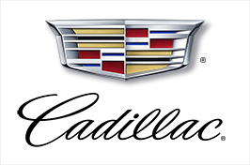
 |  |  | 2024 CADILLAC |  |  |  |  | Vehicle MSRP |  | Dealership Info
 |  |  | ESCALADE |  |  |  |  | $67,445.00 |  | Dealer Name
 |  |  | EXTERIOR: | COLOR |  |  |  |  |  | 1122 Main Street
 |  |  | INTERIOR: | COLOR |  |  |  |  |  | Anywhere, NY 12345

 |  |  | TRIM PACKAGE
 |  |  |  |  |  |  |  |  |  | VIN

 |  |  |  |  |  |  |  |  | Enter the appropriate information above. Will transfer to the addendum label.

 | ITEM 1 |  |  |  |  | $0.00

 | ITEM 2 |  |  |  |  | $0.00

 | ITEM 3 |  |  |  |  | $0.00

 | ITEM 4 |  |  |  |  | $0.00

 | ITEM 5 |  |  |  |  | $0.00

 | ITEM 6 |  |  |  |  | $0.00

 | ITEM 7 |  |  |  |  | $0.00

 | ITEM 8 |  |  |  |  | $0.00

Enter the package price here. Will be added to the base MSRP (listed above)

 | TOTAL PACKAGE PRICE |  |  |  | $0.00

 | TOTAL VEHICLE PRICE |  |  |  | $67,445.00

RV

DEALER TO WHOM DELIVERED:
VIN: |  | 0
 |  |  |  | 4NY00A |  |  | 045920
 | Dealer Name
 | 1122 Main Street
 | Anywhere, NY 12345

